Using Symbols
Symbols>> | ▲▼

vs. Prior Month | Market | Current Month
▲3% | Great Lakes | 72,505
▲30% | New England | 283,324
▼ 6% | New York North | 148,790
▲27% | New York South | 68,009
▼ 2% | Ohio | 98,308
▲34% | Shenandoah Valley | 200,076

Using Shapes as Visuals
Top 10 Routes (Last 30 Days)

North
35%
Pcnt of Revenue
YTD Units
YTD Margin
2,178
22%
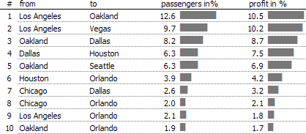
South
West

Pcnt of Revenue
23%
Pcnt of Revenue
44%

YTD Units
YTD Margin
YTD Units
YTD Margin
2,256
24%
2,025
18%

35% of Total Revenue
23% of Total Revenue
44% of Total Revenue
 | North | South | East | West
 | 0.35 | 0.23 | 0.44 | 0.22
Product A | 539 | 400 | 430 | 397
North
South
West
Product B | 262 | 434 | 400 | 759
Product C | 452 | 616 | 697 | 400
Product D | 925 | 807 | 523 | 523

Units By Product
North

YTD Margin
22%

YTD Units
2,178

Avg $ Per Unit
$67

Get Raw Data Output

Creating Custom Shapes
70%

30%
10%
20%
30%

40%
50%
60%

80%
90%

4%

100%

Dynamic Labels
North
 | Edit Data
Pcnt of Revenue | 35%
YTD Units | 2,178
Pcnt of Revenue
YTD Margin | 22%
35%

YTD Units
YTD Margin
2,178
22%

Equation Editor
After explaining to a student through
various lessons and examples that:
$$\lim_{x→8}{ \frac{1}{x−8}}=∞$$

I tried to determine if he really understood
the concept, so I gave him a different example.

This was the result:
$$\lim_{x→5}{ \frac{1}{x−5}}=$$
$$5$$
$$x=\frac{−b±\sqrt{b^{2}−4ac}}{2a}$$

